TAB D
A PDF version of these instructions is available on the College website where the APR is located.

1. Visit Web of Knowledge from a UF connected computer: www.webofknowledge.com

2. In the Basic Search text box, type your last name AND select the Author tab in the index:
3. Change the Timespan under Current Limits to the most recent five years. Click second bullet below
Timespan, and insert the years below for the current APR evaluation year.
2019 APR use 2013-2017 and count number of citations received in 2018
2020 APR use 2014-2018 and count number of citations received in 2019
2021 APR use 2015-2019 and count number of citations received in 2020
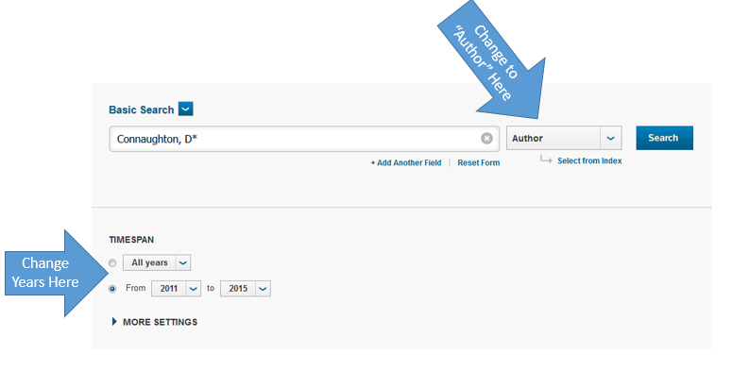
4. Click the BLUE Search button

5. On the far right of the Results page, click Create Citation Report [printed in blue ink]. Confirm authorship
for all articles listed. If a Citation Report incorrectly lists an article that you did not publish, then refine
your results by selecting topics in General Categories [far left on screen] and Subject Areas.
If you Refine Results, then click Create Citation Report again.

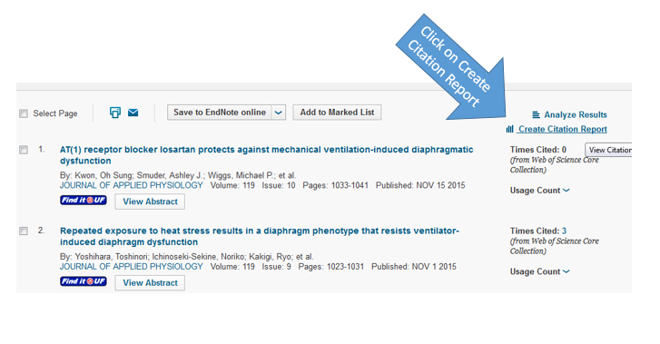
6. On the far right of the Citation Report page, record the total number of citations received from the previous calendar year and enter it on your APR.

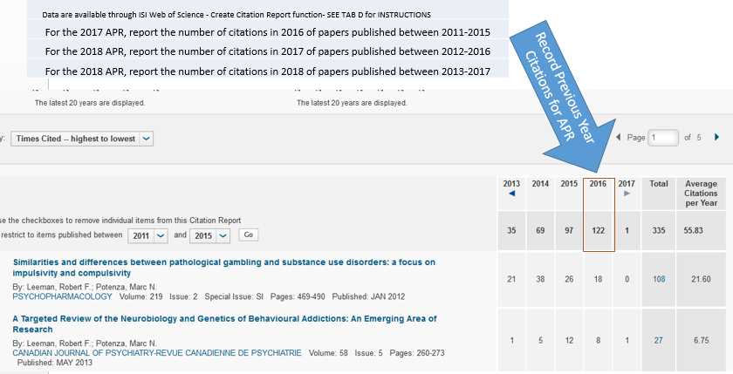
7. Concerning the number of ISI citations, an upper limit of 200 is set for the previous calendar year. Each
citation will count as 1 credit up to a maximum of 200. Record the total number in Section D of Research.

